Sheet1
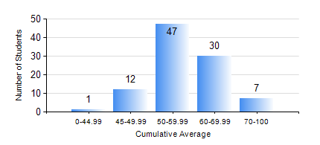
 |  |  | KWAME NKRUMAH UNIVERSITY OF SCIENCE AND TECHNOLOGY, KUMASI Department of Materials Engineering

 |  |  | BSC. MATERIALS ENG.

 |  |  | COMPREHENSIVE RECORD OF EXAMINATION RESULTS

 |  |  | RESULTS OF YEAR 3 SECOND SEMESTER, 2018/2019 ACADEMIC YEAR

 | Sn | Course Code |  | Course Name | Credit Hours | Min. Mark | Max. Mark | Avg. Mark | Std. Dev. | No. Passed | No. Trailed | No. (Df) | No. (I) | No. (I*) | No. Tagged(I,I*,Df) | Total
 | 0. |  |  |  |  |  |  | 0 | 0 | 0 | 0 | 0 | 0 | 0 | 0 | 4
 | 1. | CHE 358 |  | NUMERICAL METHODS FOR CHEMICAL ENGINEERS | 2 | 16 | 88 | 53 | 15.03 | 83 | 10 | 0 | 0 | 0 | 0 | 93
 | 2. | MSE 352 |  | ENGINEERING CERAMICS II | 3 | 27 | 92 | 59 | 14.37 | 91 | 2 | 0 | 0 | 0 | 0 | 93
 | 3. | MSE 354 |  | PHYSICAL METALLURGY OF FERROUS METALS | 2 | 30 | 85 | 57 | 12.72 | 85 | 8 | 0 | 0 | 0 | 0 | 93
 | 4. | MSE 356 |  | ENGINEERING PROPERTIES OF POLYMERS | 2 | 27 | 81 | 56 | 10.52 | 86 | 7 | 0 | 0 | 0 | 0 | 93
 | 5. | MSE 358 |  | FOUNDARY TECHNOLOGY II | 3 | 58 | 85 | 75 | 5.7 | 93 | 0 | 0 | 0 | 0 | 0 | 93
 | 6. | MSE 360 |  | COMPUTER APPLICATIONS | 2 | 41 | 96 | 60 | 10.39 | 93 | 0 | 0 | 0 | 0 | 0 | 93
 | 7. | MSE 362 |  | MATERIALS JOINING PROCESSES | 3 | 30 | 93 | 69 | 11.15 | 90 | 3 | 0 | 0 | 0 | 0 | 93
 | 8. | MSE 364 |  | MATERIALS ENGINEERING LABORATORY II | 2 | 19 | 84 | 57 | 12.79 | 88 | 5 | 0 | 0 | 0 | 0 | 93

